Table 1, figure 1
Table 1. Number of applications and grants, applied sum, granted sum, success rates by grant type
 | Postdoctoral grant | Starting grant | Team grant | Total
Number of applications | 27 | 58 | 244 | 329
Number of grants | 13 | 18 | 42 | 73
Success rate | 48% | 31% | 17% | 22%
Sum applied for 2024 | 1,716,000 | 5,605,320 | 52,149,914 | 59,471,234
Sum granted for 2024 | 822,000 | 1,961,674 | 9,571,055 | 12,354,729

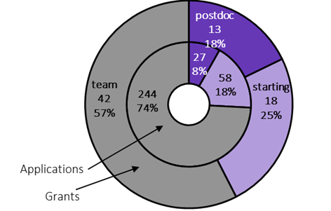
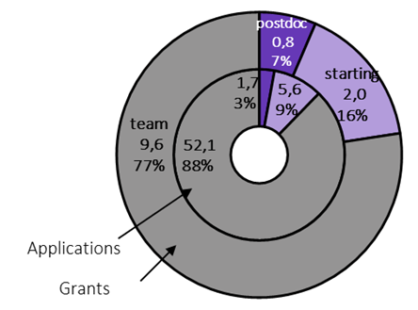

Figure 1. Number of applications and grants, applied sum and granted sum by grant type

Table 4, figure 2
Table 4. Number of applications and grants by field of research
Frascati Manual category | Postdoctoral grant |  | Starting grant |  | Team grant
 | Number of applications | Number of grants | Number of applications | Number of grants | Number of applications | Number of grants
Exact Sciences | 4 | 2 | 11 | 6 | 45 | 9
Biosciences and Environment | 3 | 3 | 11 | 4 | 41 | 8
Engineering and Technology | 8 | 3 | 9 | 4 | 44 | 6
Medical and Health Sciences | 1 |  | 9 | 1 | 22 | 6
Agricultural and Veterinary Sciences | 2 | 1 | 1 | 1 | 17 | 3
Social Sciences | 3 | 1 | 10 | 1 | 28 | 5
Humanities and the Arts | 6 | 3 | 7 | 1 | 47 | 5
Total | 27 | 13 | 58 | 18 | 244 | 42

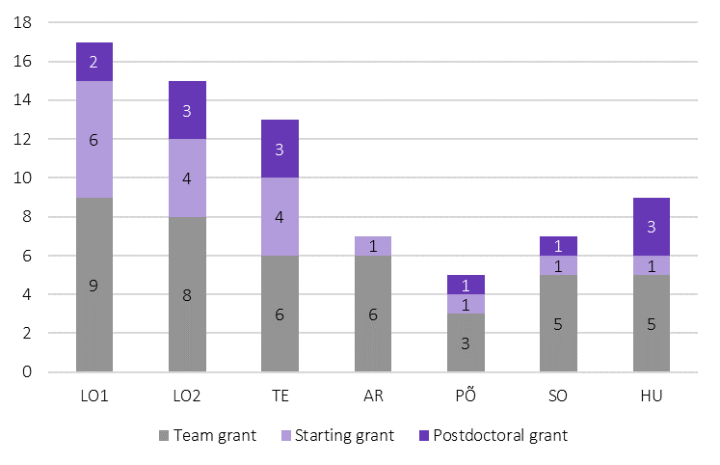

Figure 2. Number of grants by field of research
*NB! LO1 – Exact Sciences, LO2 – Biosciences and Environment, TE – Engineering and Technology, AR – Medical and Health Sciences, PÕ – Agricultural and Veterinary Sciences, SO – Social Sciences, HU – Humanities and the Arts

Figure 4, table 6
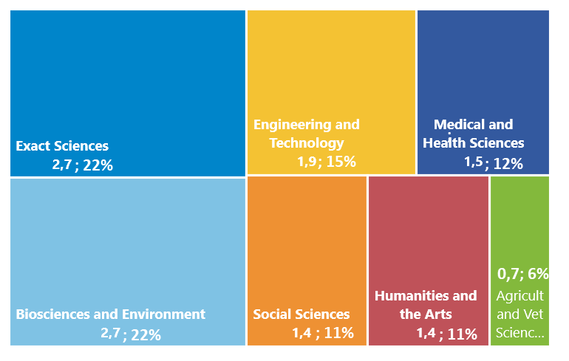

Figure 4. Sum granted for 2024 by research fields

Table 6. Sum applied and granted for 2024 by research fields
Frascati Manual category | Postdoctoral grant |  | Starting grant |  | Team grant |  | Total
 | Applied sum | Granted sum | Applied sum | Granted sum | Applied sum | Granted sum | Applied sum | Granted sum
Exact Sciences | 276,000 | 144,000 | 1,065,026 | 615,026 | 9,911,938 | 1,981,825 | 11,252,964 | 2,740,851
Biosciences and Environment | 198,000 | 198,000 | 1,163,244 | 467,244 | 9,005,457 | 2,004,800 | 10,366,701 | 2,670,044
Engineering and Technology | 450,000 | 144,000 | 839,404 | 418,404 | 9,194,447 | 1,309,565 | 10,483,851 | 1,871,969
Medical and Health Sciences | 72,000 |  | 843,961 | 117,000 | 4,895,103 | 1,392,190 | 5,811,064 | 1,509,190
Agricultural and Veterinary Sciences | 126,000 | 54,000 | 117,000 | 117,000 | 3,517,834 | 577,200 | 3,760,834 | 748,200
Social Sciences | 180,000 | 72,000 | 937,431 | 117,000 | 6,140,016 | 1,206,476 | 7,257,447 | 1,395,476
Humanities and the Arts | 414,000 | 210,000 | 639,254 | 110,000 | 9,485,119 | 1,098,999 | 10,538,373 | 1,418,999
Total | 1,716,000 | 822,000 | 5,605,320 | 1,961,674 | 52,149,914 | 9,571,055 | 59,471,234 | 12,354,729

Table 9, figure 5
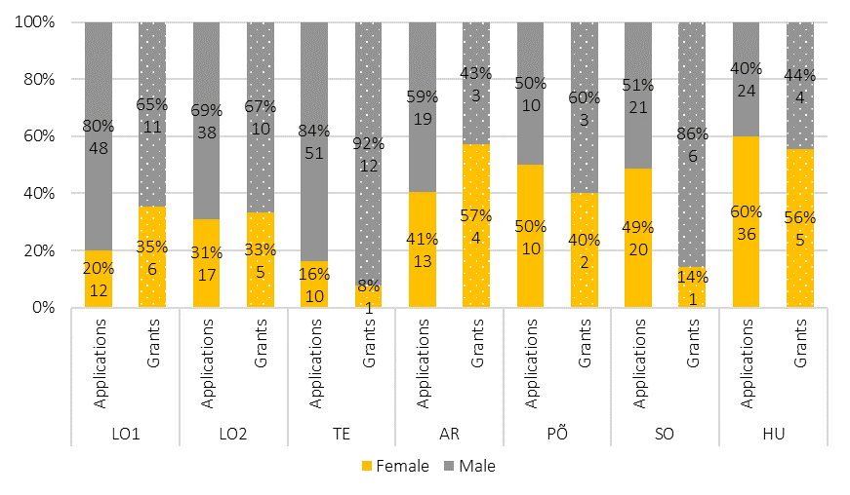
Table 9. Number of applications and grants by grant type, field of research and gender
Frascati Manual Category |  | Postdoctoral grant |  | Starting grant |  | Team grant |  | Total
 | Male/Female | Number of applications | Number of grants | Number of applications | Number of grants | Number of applications | Number of grants | Number of applications | Number of grants |  | Frascati Manual Category |  | Male | Female
Exact Sciences (LO1) | Male | 4 | 2 | 5 | 2 | 39 | 7 | 48 | 11 |  | Exact Sciences (LO1) | Applications | 80% | 20%
 | Female |  |  | 6 | 4 | 6 | 2 | 12 | 6 |  |  | Grants | 65% | 35%
Biosciences and Environment (LO2) | Male | 1 | 1 | 2 | 1 | 35 | 8 | 38 | 10 |  | Biosciences and Environment (LO2) | Applications | 69% | 31%
 | Female | 2 | 2 | 9 | 3 | 6 |  | 17 | 5 |  |  | Grants | 67% | 33%
Engineering and Technology (TE) | Male | 8 | 3 | 7 | 3 | 36 | 6 | 51 | 12 |  | Engineering and Technology (TE) | Applications | 84% | 16%
 | Female |  |  | 2 | 1 | 8 |  | 10 | 1 |  |  | Grants | 92% | 8%
Medical and Health Sciences (AR) | Male |  |  | 6 |  | 13 | 3 | 19 | 3 |  | Medical and Health Sciences (AR) | Applications | 59% | 41%
 | Female | 1 |  | 3 | 1 | 9 | 3 | 13 | 4 |  |  | Grants | 43% | 57%
Agricultural and Veterinary Sciences (PÕ) | Male | 1 | 1 | 1 | 1 | 8 | 1 | 10 | 3 |  | Agricultural and Veterinary Sciences (PÕ) | Applications | 50% | 50%
 | Female | 1 |  |  |  | 9 | 2 | 10 | 2 |  |  | Grants | 60% | 40%
Social Sciences (SO) | Male | 1 | 1 | 8 |  | 12 | 5 | 21 | 6 |  | Social Sciences (SO) | Applications | 51% | 49%
 | Female | 2 |  | 2 | 1 | 16 |  | 20 | 1 |  |  | Grants | 86% | 14%
Humanities and the Arts (HU) | Male | 2 | 1 |  |  | 22 | 3 | 24 | 4 |  | Humanities and the Arts (HU) | Applications | 40% | 60%
 | Female | 4 | 2 | 7 | 1 | 25 | 2 | 36 | 5 |  |  | Grants | 44% | 56%
Total | Male | 17 | 9 | 29 | 7 | 165 | 33 | 211 | 49 | Figure 5. Number and proportion of applications and grants by research fields and gender
 | Female | 10 | 4 | 29 | 11 | 79 | 9 | 118 | 24 | *NB! LO1 – Exact Sciences, LO2 – Biosciences and Environment, TE – Engineering and Technology, AR – Medical and Health Sciences, PÕ – Agricultural and Veterinary Sciences, SO – Social Sciences, HU – Humanities and the Arts

Figure 6
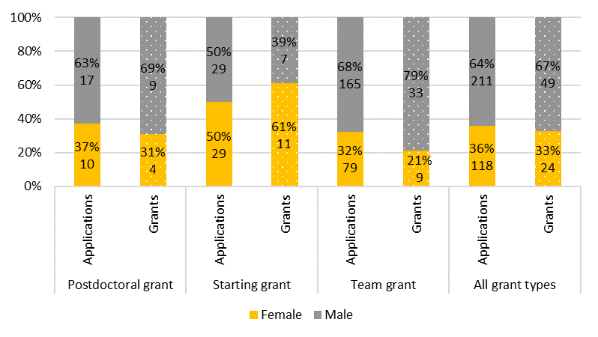
 | Grant type |  | Male | Female | Total | Male | Female
 | Postdoctoral grant | Applications | 17 | 10 | 27 | 63% | 37%
 |  | Grants | 9 | 4 | 13 | 69% | 31%
 | Starting grant | Applications | 29 | 29 | 58 | 50% | 50%
 |  | Grants | 7 | 11 | 18 | 39% | 61%
 | Team grant | Applications | 165 | 79 | 244 | 68% | 32%
 |  | Grants | 33 | 9 | 42 | 79% | 21%
 | All grant types | Applications | 211 | 118 | 329 | 64% | 36%
 |  | Grants | 49 | 24 | 73 | 67% | 33%

Figure 6. Number and proportion of applications and grants by grant type and gender

